Order Form
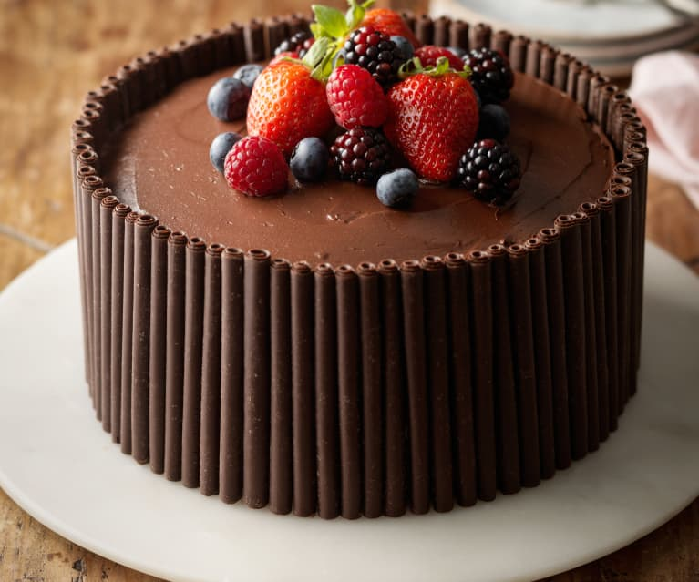
Thilina's Bakery
Date:
Invoice #:
Customer ID: | 10
Customer Name: | La Patisserie

ID | Description | Qty | Unit Price | Amount
6 | Cupcake (10)
1 | Butter Cake
3 | Red Velvet Cake
5 | Chocolate Cake
 |  |  | Total Amount
 |  |  | Discount
 |  |  | Net Pay

